Indices

 | Iraq Stock Exchange
 | Bulletin No (9)
 | ISX Trading Indices of Sunday 18/1/2026

 | Traded Volume and OTC |  | 451,249,806 |  | Traded Value and OTC |  | 450,440,312 |  | Traders | 759

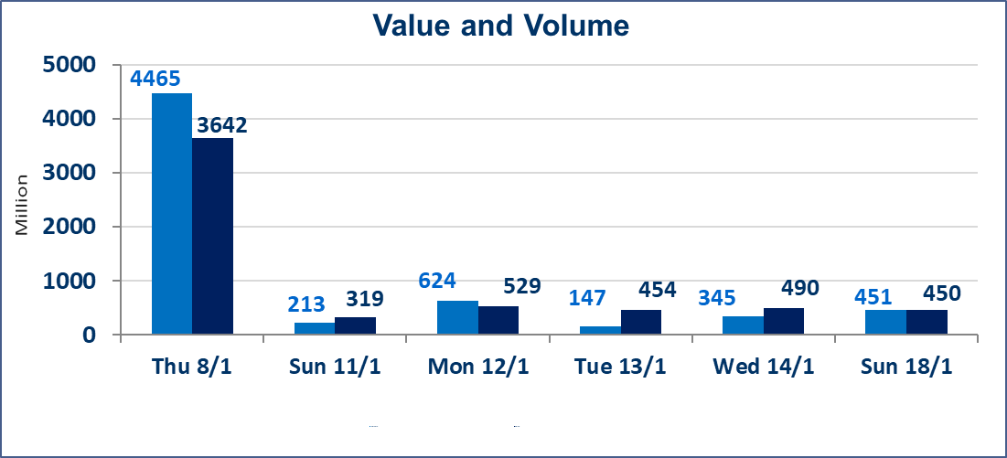
 | ISX Index 60 |  |  | 963.56 | ISX Index 15 |  |  | 1198.16
 | Previous ISX Index60 |  |  | 971.27 | Previous ISX Index15 |  |  | 1203.76
 | Change % |  |  | -0.79 | Change % |  |  | -0.47
 | Change |  |  | -7.71 | Change |  |  | -5.60

 | Listed Companies | 104 | OTC | 14 | Non Traded listed | 43 | OTC | 14
 | Traded Listed Companies | 45 | OTC | 0 | Higher Companies |  |  | 8
 | GAM Companies |  |  | 5 | Lower Companies |  |  | 20
 | Suspended Companies |  |  | 11
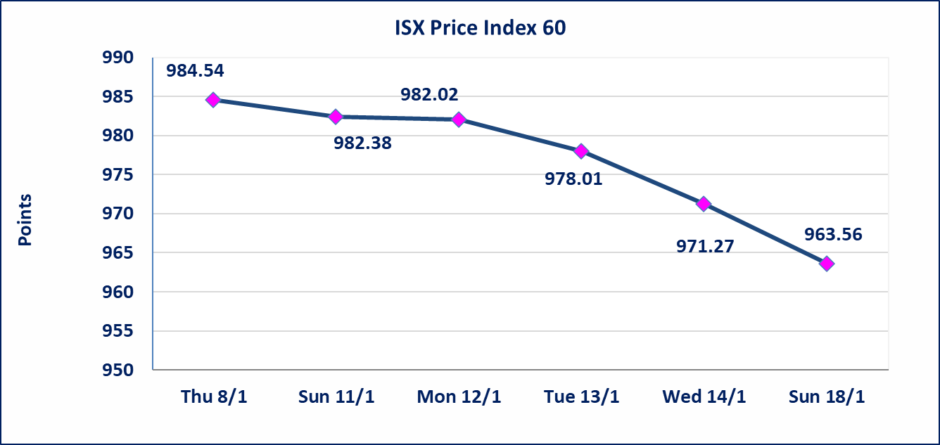
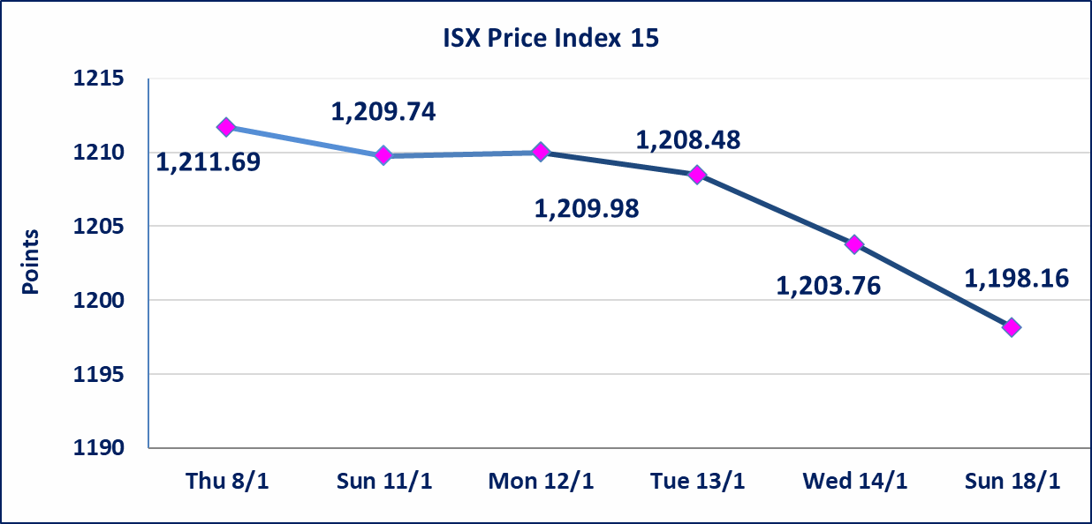

Al-Alwiya P.O . 3607 Mobile: 07711211522 - 07270094594 - 07834000034 E-mail: info-isx@isx-iq.net Web site:www.isx-iq.net

Top 5
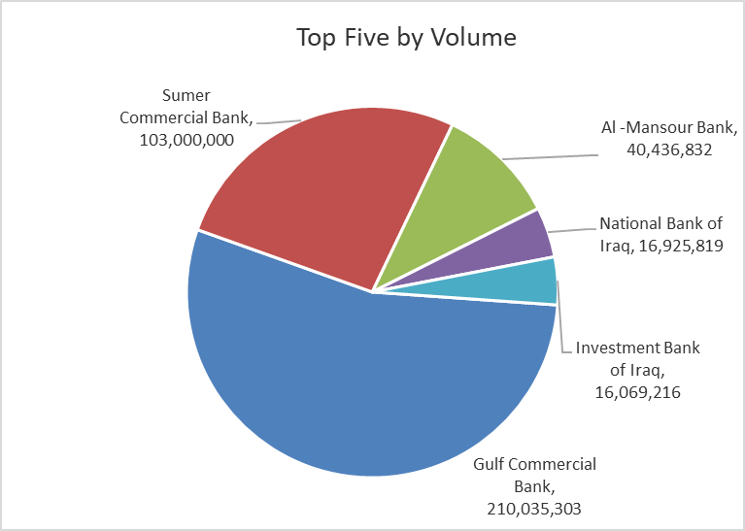
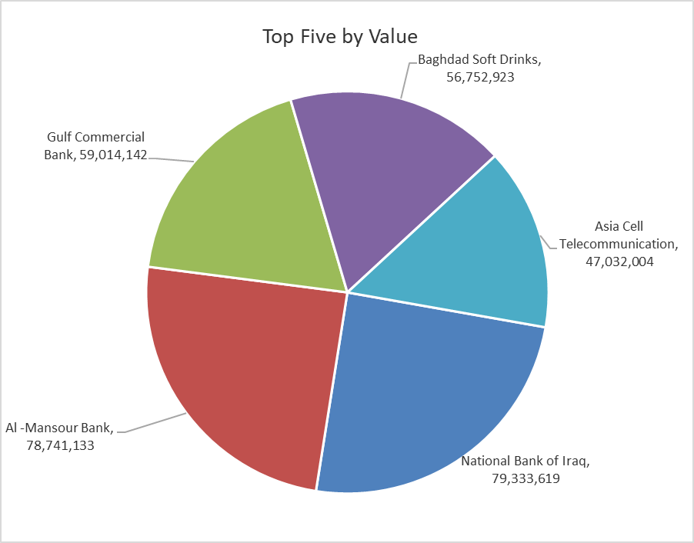

ISX top ganing and losing companies
Sunday 18/1/2026
 | Gainers |  |  |  | Losers
 | Company Name | Closing Price | Change (%) | Traded Volume | Company Name | Closing Price | Change (%) | Traded Volume
 | Al-Ameen for Insurance | 1.090 | 19.78 | 30,000 | AL-Anssari Islamic Bank | 0.050 | -16.67 | 10,000,000
 | Baghdad -Iraq Transportation | 25.000 | 8.70 | 34,688 | Kharkh Tour Amuzement City | 4.000 | -6.98 | 850,000
 | Iraqi Carton Manufactories | 2.100 | 7.69 | 100,000 | Mansour Hotel | 45.000 | -6.25 | 250,395
 | Modern Construction Materials | 1.200 | 4.35 | 450,000 | Babil Animal & Vegetable Production | 8.700 | -5.43 | 13,547
 | Al-Kindi of Veterinary Vaccines | 2.450 | 2.08 | 1,000,000 | National Islamic Bank | 0.350 | -5.41 | 102,000
 | The most active companies in term of traded volume and value

 | Traded Volume |  |  |  | Traded Value
 | Company Name | Closing Price | Change (%) | Traded Volume | Company Name | Closing Price | Change (%) | Traded Value
 | Gulf Commercial Bank | 0.280 | 0.00 | 210,035,303 | National Bank of Iraq | 4.700 | -2.29 | 79,333,619
 | Sumer Commercial Bank | 0.140 | 0.00 | 103,000,000 | Al -Mansour Bank | 1.940 | 0.00 | 78,741,133
 | Al -Mansour Bank | 1.940 | 0.00 | 40,436,832 | Gulf Commercial Bank | 0.280 | 0.00 | 59,014,142
 | National Bank of Iraq | 4.700 | -2.29 | 16,925,819 | Baghdad Soft Drinks | 5.720 | -0.69 | 56,752,923
 | Investment Bank of Iraq | 0.230 | -4.17 | 16,069,216 | Asia Cell Telecommunication | 13.800 | 0.15 | 47,032,004

Non Iraqis

Iraq Stock Exchange
Non Iraqis' Bulletin Sunday Jan 18 2026
Regular Market

Non Iraqi Trading of Regular Market (Buy)
Company Names | Code | No.of trades | Traded Shares | Trading Volume
Banks Sector
Bank Of Baghdad | BBOB | 4 | 929,850 | 3,103,623
National Bank Of Iraq | BNOI | 1 | 10,333 | 49,598
Al-Mansour Bank | BMNS | 1 | 51,238 | 99,402
Total Bank sector |  | 6 | 991,421 | 3,252,623
Grand Total |  | 6 | 991,421 | 3,252,623

